Suport Vector Machine
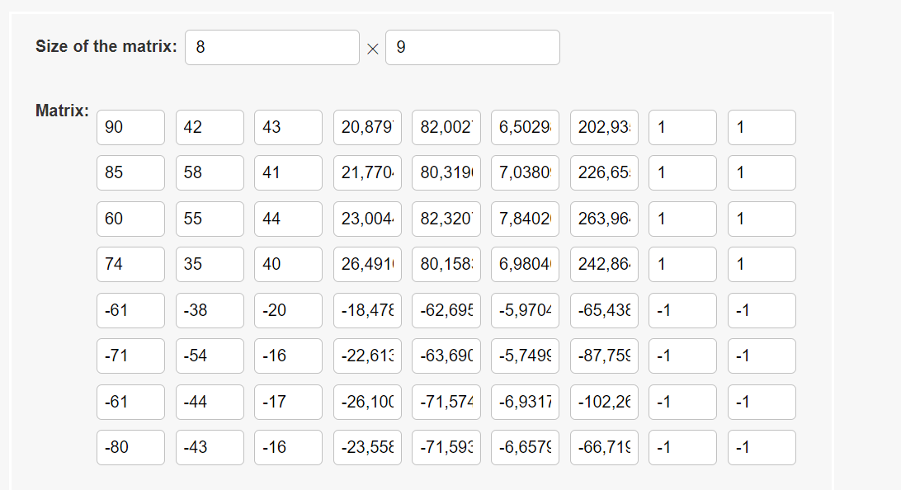
Raw Dataset
N | P | K | temperature | humidity | ph | rainfall | label | encode label
90 | 42 | 43 | 20.88 | 82 | 6.5 | 202.94 | rice | 1
85 | 58 | 41 | 21.77 | 80.32 | 7.04 | 226.66 | rice | 1
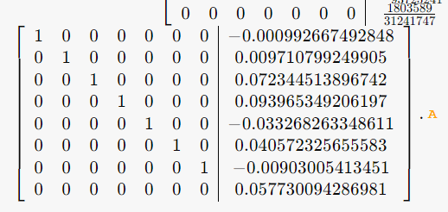
60 | 55 | 44 | 23 | 82.32 | 7.84 | 263.96 | rice | 1
74 | 35 | 40 | 26.49 | 80.16 | 6.98 | 242.86 | rice | 1
61 | 38 | 20 | 18.48 | 62.7 | 5.97 | 65.44 | maize | -1
71 | 54 | 16 | 22.61 | 63.69 | 5.75 | 87.76 | maize | -1
61 | 44 | 17 | 26.1 | 71.57 | 6.93 | 102.27 | maize | -1
80 | 43 | 16 | 23.56 | 71.59 | 6.66 | 66.72 | maize | -1
73 | 58 | 21 | 19.97 | 57.68 | 6.6 | 60.65 | maize | -1 | t1
78 | 42 | 42 | 20.13 | 81.6 | 7.63 | 262.72 | rice | 1 | t2

w1 | = | 0
w2 | = | 0.01
w3 | = | 0.07
w4 | = | 0.09
w5 | = | -0.03
w6 | = | 0.41
w7 | = | -0.06
b | = | 0.06

melakukan testing data

t1 | .= | 1.2439
t2 | .= | -9.8512

